PMI RACI Matrix
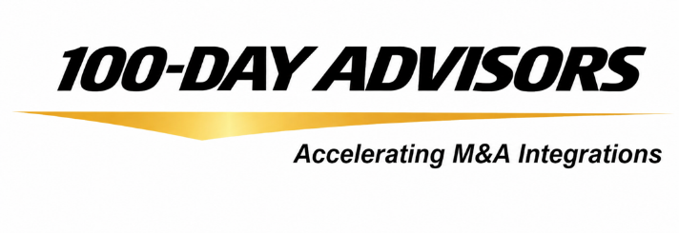 | Post-Merger Integration RACI Matrix
Responsible (R) Accountable (A) Consulting (C) Included (I)
Task | Steering Committee | IMO | Functional Teams | Synergy Owners | Accounting
Assign and support functional team resources | R/A | C
Capture lessons learned and update integration tools and processes based on feedback | I | R/A | C | I
Develop functional team charters | I | C | R/A | I
Drive the overall speed and momentum of integration | C | R/A | I | I
Lead the creation of the full integration plan, including projects, communications, and synergy goals | I | R/A | C | C
Manage stakeholder lists including executives, resource owners, and acquired leadership | I | R/A | C | I
Oversee integration processes like work plan reviews, cross-functional coordination, and executive updates | I | R/A | I | I
Be available for ad hoc meetings on functional issues | I | R/A
Collaborate with acquired teams to plan, manage change, and assess performance | C | R/A
Ensure alignment between functional and integration reporting | I | R/A
Handle escalations with functional leadership | I | R/A | C
Join weekly 1:1 functional update calls | C | R/A
Participate in weekly cross-functional IMO status calls | C | R/A
Support IMO with planning and executing projects, synergies, and communications | C | R/A
Train and coach acquired teams on key business processes | I | C | R/A
Update work plans and maintain weekly issue logs | I | R/A
Approve overall integration plans | R/A | C | I | I
Coordinate plans and manage team interdependencies | I | R/A | C | I
Define and track benefits and costs | C/A | I | I | R
Deliver synergy initiative results | I | C | C | R/A | I
Design dashboards for senior leadership | I | R/A
Ensure integration costs align with general ledger | R/A
Establish synergy management program | I | R/A | I | C | C
Guide task forces in using integration methods | R/A | C | I
Hold planning teams accountable for progress | A | R | I | I
Keep teams focused on key priorities | I | R/A | C | I
Maintain master reports on budgets, milestones, and schedules | I | R/A
Provide resources to define, plan, and deliver synergy goals | A | R | C | C
Provide standardized reporting tools and templates | R/A | I | I
Review and approve internal investment proposals | A | R | C | I | I
Set up cost tracking accounts if needed | C/A | I | I | R
Work with accounting to track synergy initiative status | A | I | R | C
© 100-Day Advisors MandAPlaybook.com

